High Roof
Part | Mold | Product | Total Price
Ford Custom LWB High Roof Polyester Outer Shell Polyester Inner Frame PVC Trim Interior Cladding | 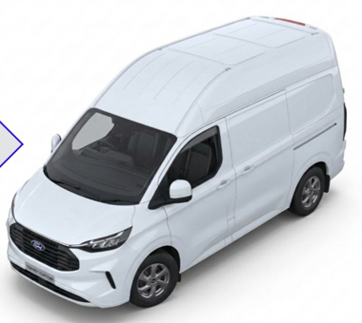

First Unit (R&D Design) | € 2,920 | € 540 | € 3,460

Other Units | € - | € 540 | € 540

